ROW
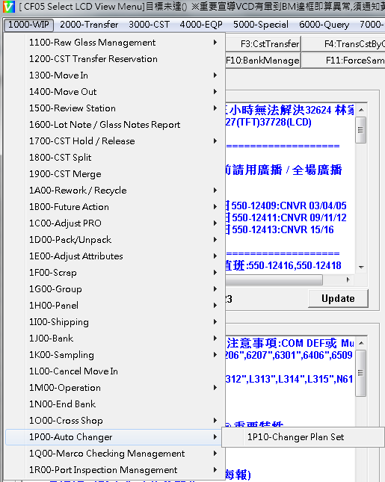
CST 管理系統
異因 |  | 改善
系統自動合併功能提升 | 1.系統派指令給 CHAG 時 , 無法判斷執行優先順序 | 1. 在 STK08 的 WIP 需優先執行 , 避免等待 CST 搬移時間 . 2. 待合併的 CST , 自動/優先/事前搬入 STK08 .
 | 2. 限制多 > BANK 外 卡同站點 , 同 GROUP , 同 OWNER ; BANK 內 需完成判 CODE . | 1. GROUP 整併 . 2. 卡關機制修正 . 3. 入 NG PORT CST 的 GLASS 自動判 CODE . 4. BANK 內 WIP 自動轉成 RECY PROD .
 | 3.系統派貨時 , 一次只有 2 批 . | 1. 同條件的 , 一次拉足 .
待去化的 RECY WIP 處理 | 無去化排程的 RECY WIP , 優先 / 自動 PACK 入 PP ( 4 天以上 ) | 1. 完成判 CODE 及轉換 PROD 的 WIP OHGC 優先執行倒貨 TO SUP PACK . 2. 待 PACK 的 WIP : A. OHGC : 自動/優先/事前搬入 STK06 . B. PACK : 自動/優先/事前搬入 STK01 .
 |  | 各製程未滿批自動優先上 PORT .
 |  | CST CLEAN 的 CST 確認
滿批率偏低 | 9199 未滿批多 | 9507
 | 工程實驗
 | 異常貨待處理 / 驗證

實驗貨 | 1.GROUP 多 . 2. 驗證週期不定 . 3. 實驗出貨後 , 殘批 4. LCD 下線殘批 . | 1. 7300 後 , 全數合併 , 貨主建檔管理 . 2. 實驗出貨後 , 殘批確認需求 , 超過一個月 , 提 RECY / SCRAP 需求

看板
GO
MAPP
 |  |  |  |  | CF5 CST 管理系統
2020-10-14 | 7:05:00 |  | 空 CST : |  | 16 | 個 | > | FAB : | 7 | 個 | / | SUP : | 9 | 個

INPUT : | 5984 | 片 / | 104 | 個 CST |  | OUT - IN : | 409 | 片 / | -3 | 個 CST |  | OUTPUT : | 6393 | 片 / | 101 | 個 CST
 |  |  |  |  |  | 目前廠內低於 20 片 CST 數量 |  | 68
INPUT |  |  |  |  |  | 滿批率 |  |  |  |  |  | OUTPUT
項目 |  | OPER | Glass Qty | CST Qty |  | Bay Area |  | CST Qty* | Gls Qty | 滿批率 |  | 項目 |  | OPER | Glass Qty | CST Qty
素玻璃解包 |  | 0100 | 4330 | 74 |  | 量產品 總體滿批率 |  | 905 | 48001 | 88.40% |  | LCD PI 下線 (FG********) |  | LCD LC09 | 3976 | 62
雙玻來料轉 F CST |  | 5804 2900 0206 | 684 | 13 |  | 黃光滿批率 Owner : 黃光領班 |  | 336 | 19608 | 97.26% | 5 | LCD 切割下線+移載 (OG********) |  | LCD LC09 | 1129 | 7
0802 RECY 解包 |  | 0802 | 850 | 15 |  | 薄膜 (單玻)滿批率 Owner : 薄膜領班 |  | 19 | 1024 | 89.82% | 1 | 雙玻來料轉 L CST |  | F025 0205 | 412 | 10
CF3 來料解包 |  | 9892 | 0 | 0 |  | 薄膜 (雙玻)滿批率 Owner : 值班組長 |  | 4 | 17 | 7.08% | 4 | ARRAY TOD 下線 (OG********) |  | ARRAY T02D | 210 | 5
異常貨解包 |  | 5802 | 120 | 2 |  | 檢測 (單玻)滿批率 Owner : 檢測領班 |  | 260 | 14738 | 94.47% | 5 | 出委外 RECY |  | 0801 | 666 | 17
 |  |  | 0 | 0 |  | 檢測 (雙玻)滿批率 Owner : 檢測領班 |  | 4 | 121 | 50.42% | 2 | 跨廠出/退貨 |  | 5801 + 5803 | 0 | 0
LCD PI DUMMY PI 異常回貨 |  | 2901 5900 0801 | 0 | 0 |  | BANK(單玻)滿批率 Owner : 小 PC |  | 66 | 3154 | 79.65% | 11 | 異常貨 PACK |  | 5801 | 0 | 0
異常貨分流 |  | 9081 | 77 | -1 |  | BANK(雙玻)滿批率 Owner : 小 PC |  | 1 | 4 | 6.67% | 1 | 異常貨合併 |  | 9080 | 0 | 0
 |  |  |  |  |  | OHGC(單玻)滿批率 Owner : 小 PC |  | 60 | 3044 | 84.56% | 5
 |  |  |  |  |  | OHGC(雙玻)滿批率 Owner : 小 PC |  | 10 | 382 | 63.67% | 3 | CF5 SHIPPING
 |  |  |  |  |  | 出貨站點滿批率 Owner : 小 PC |  | 128 | 5064 | 65.94% | 29 | 單玻出貨 (FG********) |  | SHIPPING | 3903 | 67
 |  |  |  |  |  | 分流 / 合併滿批率 Owner : 小 PC |  | 17 | 845 | 82.84% | 2 | 雙玻 出貨 - ARRAY (OG********) |  | SHIPPING | 843 | 19
 |  |  |  |  |  |  |  |  |  |  |  | 雙玻 出貨 - LCD (OG********) |  | SHIPPING | 0 | 0
 |  |  |  |  |  |  |  |  |  |  |  |  |  |  |  |  |  | CST Qty | Gls Qty | 滿批率
 |  |  |  |  |  | 實驗貨 總體滿批率 |  | 86 | 2175 | 42.15% |  |  |  |  |  |  | 實驗貨總體 滿批率 | 110 | 2817 | 42.68% | OWNER
 |  |  |  |  |  | 製程中 < 1300 ~ 7300 > |  | 38 | 877 | 38.46% |  |  |  |  |  |  | 整合實驗貨 滿批率 | 85 | 2091 | 41.00% | 物料組長
 |  |  |  |  |  | 製程完成 < 7300 後 ~ |  | 29 | 811 | 46.61% |  |  |  |  |  |  | 工程實驗貨 滿批率 | 25 | 726 | 48.40% | 黃光領班 檢測領班薄膜領班
 |  |  |  |  |  | ENG BANK |  | 19 | 487 | 42.72%

每日即時 ACTION |  |  |  |  |  |  |  | 長期 ACTION
Action Item |  |  |  | 預計生成 |  | Owner |  | Action Item |  |  |  |  |  | Owner
一. CHAG 併批 |  |  |  | 2 |  |  |  | 一. Overflow Bank 即時處理 ( 5599 / 5997 / 7399 / 4599 ) |  |  |  |  |  | 檢測領班 值班組長
二. 0801 PACK |  |  |  | 4 |  |  |  | 二. RECY Bank 即時判 Code > Merge |  |  |  |  |  | 小 PC
三. SC / KC PACK |  |  |  | 3 |  |  |  | 三. 委外 RECY > OHGC > PACK |  |  |  |  |  | 薄膜領班 小 PC
四. 委外 RECY PACK |  |  |  | 4 |  |  |  | 四. 雙 Grade WIP 確認 ( RECY / 後流 / PACK ) |  |  |  |  |  | 副組長
五. 9199 / 9507 BANK 合併 |  |  |  | 3~4 |  |  |  | 五. RTC 片後續確認 |  |  |  |  |  | 黃光領班
 |  |  |  |  |  |  |  | 六. 黃光滿批率確認 ( 少片數 CST 確認/處理 ) |  |  |  |  |  | 黃光領班
作業改善 |  |  |  |  |  |  |  | 七. 薄膜滿批率確認 ( 少片數 CST 確認/處理 ) |  |  |  |  |  | 薄膜領班
一. 入 NG PORT 的 GLASS 異動判 CODE . |  |  |  |  |  |  |  | 八. 檢測滿批率確認 ( 少片數 CST 確認/處理 ) |  |  |  |  |  | 檢測領班
二 .黃光小線 NG PORT CST 退 PORT 後自動合併 . |  |  |  |  |  |  |  | 九. BANK / OHGC / 出貨 / 分流+合併 滿批率確認 ( 少片數 CST 確認/處理 ) |  |  |  |  |  | 小 PC
三. BANK 內 WIP 自動合併
四. 分流異常貨

